Pricing Decision Matrix
 | Card Reader Combinations |  | Price Combinations , USD $ |  |  | Deployment Price
 | All in One Device | Options | Price 1 | Option Price | Price + Option Price
 | F20 | Mkard SDK[Note Price not by quantity] | 170
 | V11 | Mkard SDK[Note Price not by quantity] | 220
 | F300 | Mkard SDK[Note Price not by quantity] | 130
 | Single Device[SamsungA03] | OCR SDK
 |  | Soliduz build OCR with Library
 |  | CARD Reader[WIRED] |  | 20

 | Combinations |  | Pros | Cons
1 | Phone with built-in MyKad Reader | 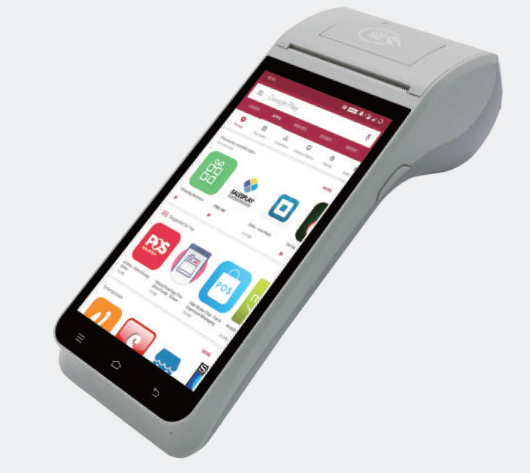 | 1. Provide better fraud prevention than option (3) 2. Ease of device management | 1. Highest HW cost
2 | Phone with separate Mycard Reader (WIRED) |  | 1. Lower HW cost compare to option (1) 2. Provide better fraud prevention than option (3) | 1. Need to manage two separate devices
3 | Phone with OCR | 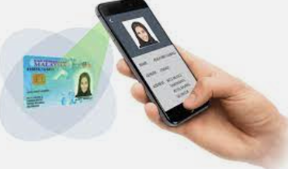 | 1. Lowest HW cost compare to option (1) & (2) 2. Ease of device management | 1. Poor camera resolution and lighting issue could cause detection and readablity issue 2. Ability to detect color photo copy of MyKad to prevent fraud 3. Additonal SW development effort

